Sheet1
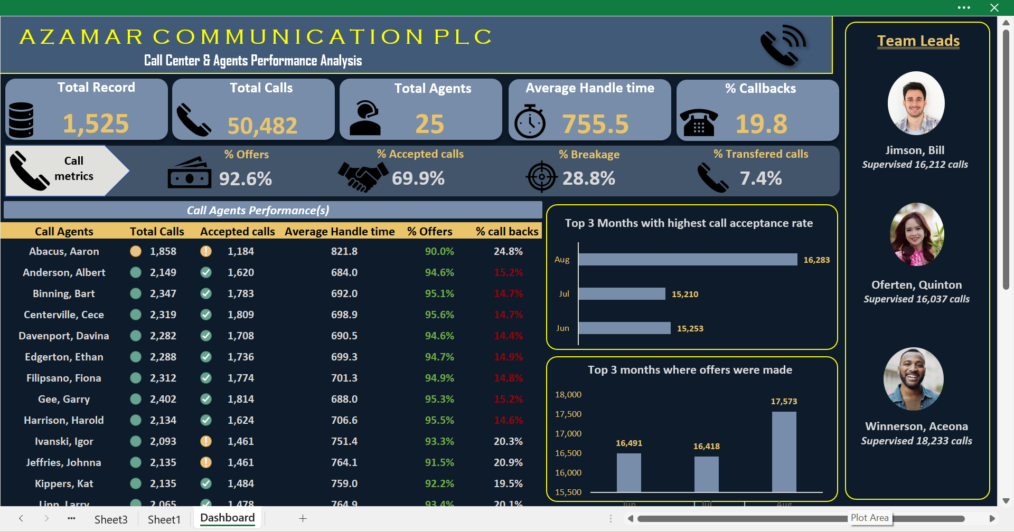

Dashboard
A Z A M A R C O M M U N I C A T I O N P L C
Team Leads

Call Center & Agents Performance Analysis
Average Handle time
% Callbacks
Total Record
Total Calls
Total Agents

1,525
50,482
25
755.5
19.8%

Call
metrics
% Offers
% Accepted calls
% Breakage
% Transfered calls
Jimson, Bill
Supervised 16,212 calls
92.6%
69.9%
28.8%
7.4%

Top 3 Months with highest call acceptance rate
Call Agents Performance(s)

 | Total
Jun | 15,253
Jul | 15,210
Aug | 16,283
Oferten, Quinton
Supervised 16,037 calls
Call Agents | Total Calls | Accepted calls | Average Handle time | % Offers | % call backs
Abacus, Aaron | 1,858 | 1,184 | 821.8 | 90.0% | 24.8%
Anderson, Albert | 2,149 | 1,620 | 684.0 | 94.6% | 15.2%
Binning, Bart | 2,347 | 1,783 | 692.0 | 95.1% | 14.7%
Centerville, Cece | 2,319 | 1,809 | 698.9 | 95.6% | 14.7%
Davenport, Davina | 2,282 | 1,708 | 690.5 | 94.6% | 14.4%
Top 3 months where offers were made
Edgerton, Ethan | 2,288 | 1,736 | 699.3 | 94.7% | 14.9%
 | Total
Jun | 16,491
Jul | 16,418
Aug | 17,573
Filipsano, Fiona | 2,312 | 1,774 | 701.3 | 94.9% | 14.8%
Gee, Garry | 2,402 | 1,814 | 688.0 | 95.3% | 15.2%
Winnerson, Aceona
Supervised 18,233 calls
Harrison, Harold | 2,134 | 1,624 | 706.6 | 95.5% | 14.6%
Ivanski, Igor | 2,093 | 1,461 | 751.4 | 93.3% | 20.3%
Jeffries, Johnna | 2,135 | 1,461 | 764.1 | 91.5% | 20.9%
Kippers, Kat | 2,135 | 1,484 | 759.0 | 92.2% | 19.5%
Lipp, Larry | 2,065 | 1,478 | 764.9 | 93.4% | 20.1%
Myers, Matt | 1,978 | 1,365 | 758.5 | 91.7% | 20.4%
Nichols, Nana | 1,999 | 1,375 | 750.1 | 91.3% | 21.0%
Ohlson, Octavius | 1,969 | 1,380 | 758.1 | 93.2% | 20.2%
Pulaski, Peter | 1,507 | 995 | 794.4 | 91.2% | 22.2%
Rank, Richelle | 1,090 | 748 | 758.7 | 93.4% | 20.4%
Sanders, Sammi | 1,764 | 1,111 | 824.8 | 89.9% | 24.9%
Thomas, Ted | 1,918 | 1,190 | 823.3 | 89.9% | 24.3%
Uvaldon, Ursala | 1,913 | 1,204 | 823.7 | 89.9% | 24.8%
Vindictive, Vinny | 1,894 | 1,206 | 818.1 | 90.1% | 24.6%
Williamson, Wilma | 1,992 | 1,254 | 815.0 | 90.1% | 24.9%
Younger, Yeti | 1,939 | 1,224 | 826.6 | 90.0% | 25.0%
Zwilowski, Zane | 2,000 | 1,274 | 817.8 | 89.9% | 25.4%

Dashboard (2)
A Z A M A R C O M M U N I C A T I O N P L C
Team Leads

Call Center & Agents Performance Analysis
Average Handle time
% Callbacks
Total Record
Total Calls
Total Agents

1,525
50,482
25
755.5
19.8%

Call
metrics
% Offers
% Accepted calls
% Breakage
% Transfered calls
Jimson, Bill
Supervised 16,212 calls
92.6%
69.9%
28.8%
7.4%

Targeted Metrics
Monthly breakage & call transfered (%)
% Breakage
 | Total
Jun | 8.1%
Jul | 7.0%
Aug | 7.1%
 | Total
Jun | 29.9%
Jul | 28.1%
Aug | 28.5%
% Call Tranfered
Oferten, Quinton
Supervised 16,037 calls
Metrics | Jun | Jul | Aug | Trend
Total Calls | 16,491 | 16,418 | 17,573
Total Record | 497 | 496 | 532
Total Handle time | 12,422,298 | 12,420,240 | 13,298,106
Average Handle time | 753 | 757 | 757
 | Total
Jun | 3,224
Jul | 3,264
Aug | 3,488
Call back rate
Transfered calls | 1,332 | 1,152 | 1,244
Total Accept calls | 11,571 | 11,447 | 12,244
Winnerson, Aceona
Supervised 18,233 calls
Calls with Offer | 15,253 | 15,210 | 16,283
Total Applied | 8,108 | 8,232 | 8,760
Total Call back | 3,224 | 3,264 | 3,488
% Total Tansfer | 8.1% | 7.0% | 7.1%
% Offers | 92.5% | 92.6% | 92.7%
% Accept call | 70.2% | 69.7% | 69.7%
% Applied calls | 49.2% | 50.1% | 49.8%
% Breakage | 29.9% | 28.1% | 28.5%
% call backs | 19.6% | 19.9% | 19.8%

